Attestation
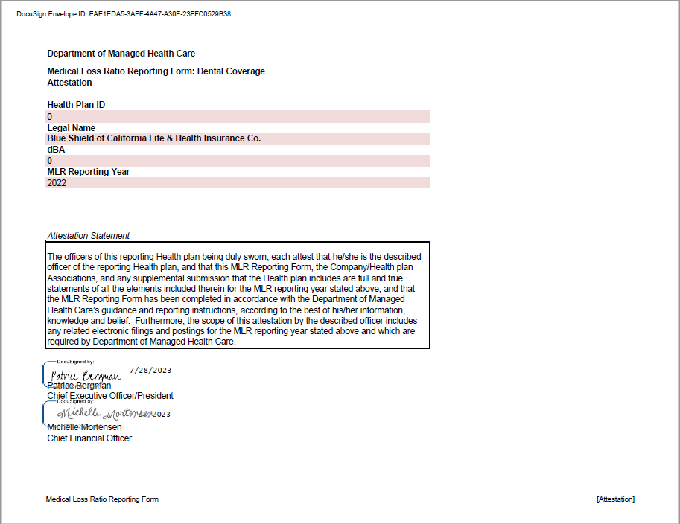
Department of Managed Health Care
Medical Loss Ratio Reporting Form: Dental Coverage | Attestation
Attestation

Health Plan ID
0
Legal Name
Blue Shield of California Life & Health Insurance Co.
dBA
0
MLR Reporting Year
2022

Attestation Statement
The officers of this reporting Health plan being duly sworn, each attest that he/she is the described officer of the reporting Health plan, and that this MLR Reporting Form, the Company/Health plan Associations, and any supplemental submission that the Health plan includes are full and true statements of all the elements included therein for the MLR reporting year stated above, and that the MLR Reporting Form has been completed in accordance with the Department of Managed Health Care’s guidance and reporting instructions, according to the best of his/her information, knowledge and belief. Furthermore, the scope of this attestation by the described officer includes any related electronic filings and postings for the MLR reporting year stated above and which are required by Department of Managed Health Care.

Chief Executive Officer/President

Chief Financial Officer

